1. Title Page
[Project Name]

Project Name: Instacart Grocery Basket Analysis
Date: 04/04/2024
Analyst Name: Nirav Bariya

Instacart Market Basket Analysis
Contents: | Dataset Link
Population Flow
Consistency checks
Wrangling steps
Column derivations
Visualizations
Recommendations

2. Population Flow
Title page

Population flow

Exclusion flag
Condition: max_order <
Obervations to be removed:
Final total count of order_products_all:

Orders_products_combined
Orders_products_merged
Orders_products_all

Total: 32404859
Total: 32434489
Total: 32404859

1.) The grey boxes in the first row of the population flow represent the original data sets as they were when you downloaded them. In the Total fields you need to add the count of the rows when you imported the data set into Jupyter.
2.) The second row of boxes (coloured) represents the data sets after you manipulated them, e.g., removed missing values and duplicates. In the Total fields you need to add the count of the rows after conducting these operations. This offers a visual oveview of how the data flows throughout the data consistency checks.
3.) The third row, where also the arrows are coloured, represents the merges you performed between the datasets. In the Total fields you need to add the count of the rows in the merged datasets, so that you end up with the final dataset (in the red box). Keep in mind the final dataset should be without exclusions (based on the exclusion flag).

3. Consistency checks
 |  |  |  | Title page
Consistency checks

Dataset | Missing values | Missing values treatment | Duplicates
orders | 206209 | Kept Missing values as they make sense in this context. | 0
products | 16 | Removed Missing Values as they constituted less than 5% of the total data. | 5
orders_products_prior | 2078068 | Kept Missing values | 0
customers | 0 | No missing values were found. We removed first name and last name as they were not required for the analysis. | 0
ords_prods_merge | 2076096 | Missing values make sense as the days since prior order will be missing for first order. | 0

4. Wrangling steps
 |  |  |  | Title page
Wrangling steps

Columns dropped | Columns renamed | Columns' type changed | Comment/Reason
eval_set |  |  | Column Not required
 | order_dow to orders_day_of_week |  | more descriptive name
 |  | order_id | To skip aggregation
 |  | user_id | To skip aggregation
First Name and surnam columns dropped | Changed all columns in customers table to lower case | changed first name column to 'str' type | For consistency we renamed columns to lower case. For data security issues we have removed first name and surname columns from the dataframe.
_merge and merge_new columns dropped before final analysis from ords_prods_cust dataframe |  |  | The purpose of the columns was served and they were not part of any further analysis. This was also done to reduce the size of the dataframe by removing unwanted columns.

5. Column derivations
 |  |  |  | Title page

Column derivations and aggregations

In this tab you should add tables below that the frequences of flags/label variables that you produced after deriving them. NB: don't do this for continuous variables, only for flags.
Dataset | New column | Column/s it was derived from | Conditions
orders_products_merged | price_range | prices | If 'prices > 15, then High Range Product
 |  |  | If 5< prices<=15, then Mid range product
 |  |  | If price < 5, then Low-range product
orders_products_merged | busiest_day | orders_day_of_week | If day is Saturday or Sunday, then 'Busiest Days'.
 |  |  | If day is Tuesday or Wednesday, then 'Least busy Days'.
 |  |  | Else Regular busy Days
orders_products_merged | busiest_period_of_day | order_hour_of_day | if 9 <= order_hour_of_day <=16, then most orders.
 |  |  | if 0 <= order_hour_of_day <=6 or order_hour_of_day = 23, then fewest orders.
 |  |  | Else Average orders
orders_products_merged | max_order | order_number | max_order = max(order_number)
orders_products_merged | loyalty_flag | max_order | If max_order > 40, then Loyal customer.
 |  |  | If 10< max_order <= 40, then Regular customer.
 |  |  | If max_order < 10, then New customer.
orders_products_merged | avg_price | prices | avg_price = mean(prices)
orders_products_merged | spending_flag | avg_price | If avg_price < 10, then 'Low spender'.
 |  |  | If avg_price >= 10, then 'High spender'.
orders_products_merged | median_days_bw_orders | days_since_prior_order | median_days_bw_orders = mediam(days_since_prior_order)
orders_products_merged | order_frequency | median_days_bw_orders | If median_days_bw_orders >= 20, then Non-frequent customer.
 |  |  | If median_days_bw_orders <10, then frequent customer.
 |  |  | If 10 <= median_days_bw_orders < 20, then Regular customer.
ords_prods_cust | region | state | If the state is in the list northeast= ['Maine', 'New Hampshire', 'Vermont', 'Massachusetts', 'Rhode Island', 'Connecticut', 'New York', 'Pennsylvania', 'New Jersey'], then region is Northeast.
 |  |  | If the state is in the list midwest = ['Wisconsin', 'Michigan', 'Illinois', 'Indiana', 'Ohio', 'North Dakota', 'South Dakota', 'Nebraska', 'Kansas', 'Minnesota', 'Iowa', 'Missouri'], then the region is midwest.
 |  |  | If the state is in the list south= ['Delaware', 'Maryland', 'District of Columbia', 'Virginia', 'West Virginia', 'North Carolina', 'South Carolina', 'Georgia', 'Florida', 'Kentucky', 'Tennessee', 'Mississippi', 'Alabama', 'Oklahoma', 'Texas', 'Arkansas', 'Louisiana'], then the region is South.
 |  |  | If the state is in the list west = ['Idaho', 'Montana', 'Wyoming', 'Nevada', 'Utah', 'Colorado', 'Arizona', 'New Mexico', 'Alaska', 'Washington', 'Oregon', 'California', 'Hawaii'], then the region is West.
ords_prods_cust | exclusion_flag | max_order | If max_order < 5, then Excluded.
 |  |  | If max_order >= 5, then Not Excluded.
df | age_flag | age | If age< 35, then Young adult.
 |  |  | If 35 <= age < 55, then Middle-Aged Adult.
 |  |  | If age>= 55, then Senior adult.
df | income_flag | income | If income < 50,000, then Low income.
 |  |  | If 50,000 <= income <100,000, then Middle Income.
 |  |  | If income >= 100,000, then High income.
df | mode_order_hour | order_hour_of_day | mode_order_hour = mode(order_hour_of_day), grouped by user_id
df | ordering_flag | mode_order_hour | If 5<=mode_order_hour <11, then Early birds.
 |  |  | If 11<=mode_order_hour <17, then Daytime shoppers.
 |  |  | If 17<=mode_order_hour <23, then Evening shoppers.
 |  |  | If mode_order_hour <5 or mode_order_hour = 23, then Night owls.
df | household_flag | fam_status, no_of_dependants | If fam_status is in ['single', 'divorced/widowed'], then Single adult.
 |  |  | If fam_status is in ['married', 'living with parents and siblings] and no_of_dependants =1, then Small family.
 |  |  | If fam_status is in ['married', 'living with parents and siblings'] and no_of_dependants =2, then Medium-sized family.
 |  |  | If fam_status is in ['married', 'living with parents and siblings'] and no_of_dependants =3, then Large-sized family.
df | customer_profile | age_flag | customer_profile = age_flag + income_flag + household_flag
 |  | income_flag
 |  | household_flag

6. Visualizations
 |  |  |  |  |  |  | Title page

Visualisations

In this tab you should include all the visualtions from Exercises 4.9 and 4.10, alongside the questions from the project brief that they answer. Include any commentary on the relationship between different variables.

Days of Week and Total Orders
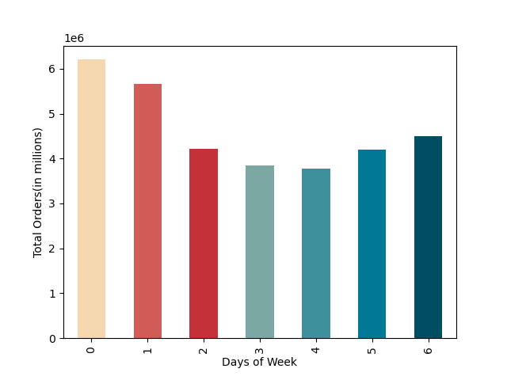

 |  | Coding:
 |  | 0 (Saturday)
 |  | 1 (Sunday)
 |  | 2 (Monday)
 |  | 3 (Tuesday)
 |  | 4 (Wednesday)
 |  | 5 (Thursday)
 |  | 6 (Friday)
 |  | Comments: | This visualization answers the first business question that is, which days have recorded maximum and minimum orders?
 |  |  | Tuesday and Wednesday have recorded fewest total orders and on these days ads should be scheduled.
 |  |  | Saturday and Sunday have seen maximum number of total orders.
 |  |  | The orders start to increase when weekend is approaching and start to decline when weekdays begin.

Hours of day and Total Orders
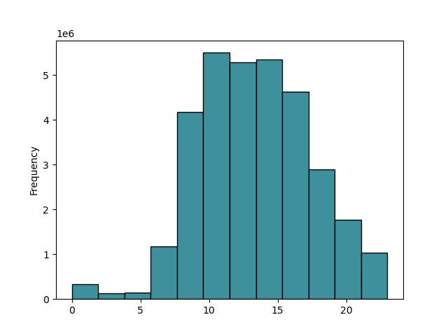

 |  | Comments: | This visualization help us answer part of the first question in terms of hours of the day.
 |  |  | Most of the orders are placed between 10 AM and 3 PM. After 3 PM, the orders start to decline.
 |  |  | Night time 12: AM to morning 3 AM recorded fewest number of orders and these hours may be targeted for ads.

Times of the day and the amount spend
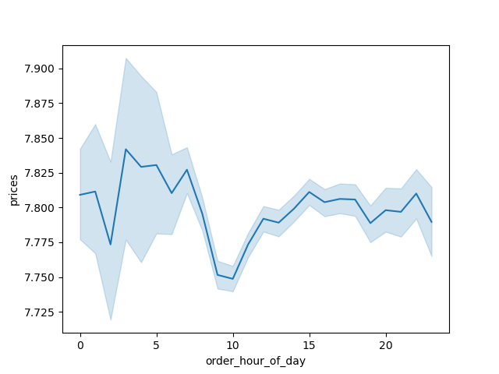

 |  | Comments: | This visualization help us answer the second question, that is "Which hours have recorded orders with maximum and minimum prices?".
 |  |  | Over the 24 hours, the prices vary greatly but when we round numbers of it is aroung $8.
 |  |  | If we consider, decimals then the highest prices are paid at 3 AM and lowest are paid at 10 AM.

Day of Week and Prices
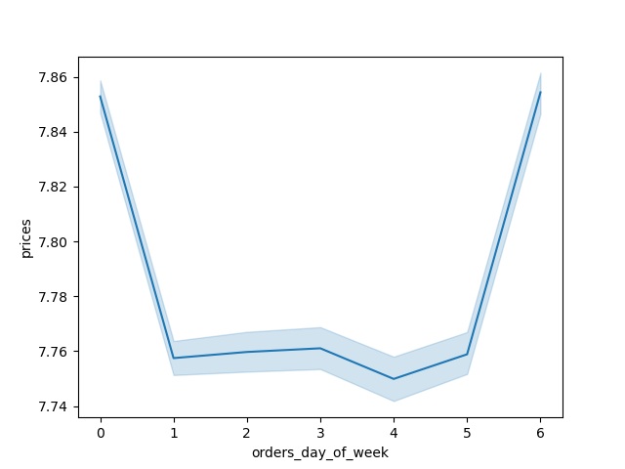

 |  | Comments: | If we consider days of week, then we see that higher prices were paid on Saturday and Friday.
 |  |  | Lower prices were paid on Wednesday.
 |  |  | If we round the numbers off, then we see that the price paid is $8.

Distribution of Orders by Type of customers:
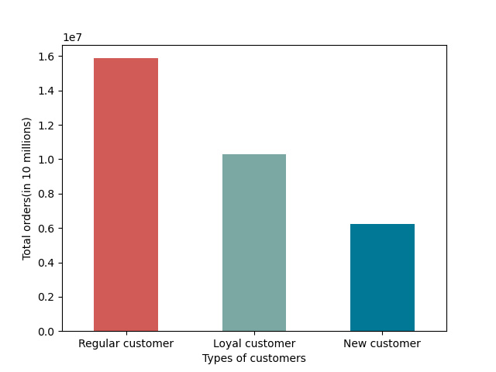

 |  | Comments: | Most of the ordes were placed by regular customers.
 |  |  | Surprisingly, loyal customer placed less number of total orders than regular customers. This is due to higher number of regular customers.

Number of Dependants and Age:


 |  | Comments: | Number of dependants fluctuates as age increases.
 |  |  | There is no clear relationship between the two variables.

Age and Income


 |  | Comments: | There isn't a clear relationship between age and income as evident from this scatter plot.
 |  |  | However, extremely high salaries are recorded for individuals with age more than 40 years.

Prices and Total orders:
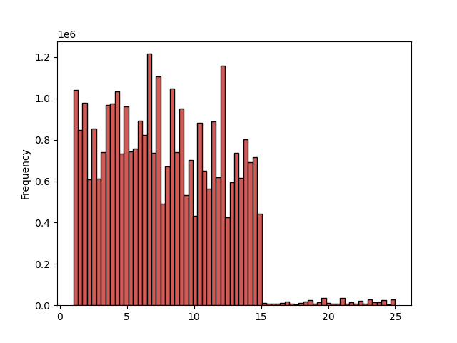

 |  | Comments: | Most of the orders have priced less than $15. Only a few orders in comparison are priced more than $15.

Spender type Distribution by region:
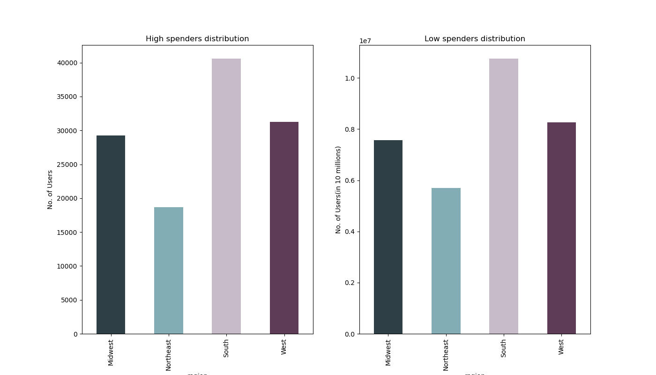

Comments: | Maximum number of low spenders and high spenders are in South region. Also, minimum number of both types of people are in Northeast region.

Number of Orders by Department
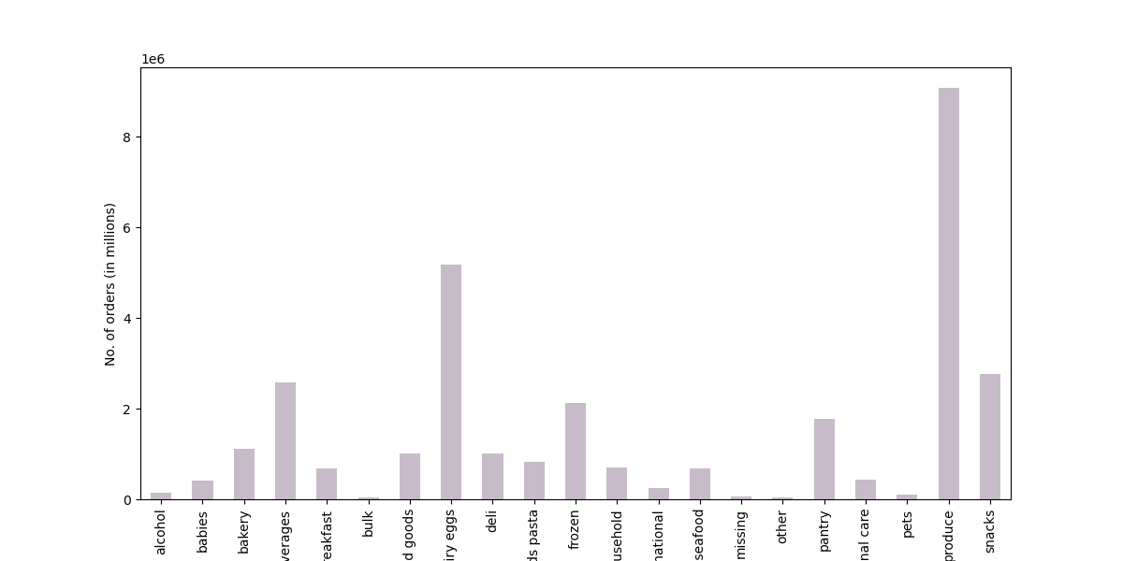

 |  |  |  |  | Comment:
 |  |  |  |  | Maximum number of orders were placed in the produce department.
 |  |  |  |  | Minimum number of orders place in bulk, missing, others, alcohol, and pets departments.
 |  |  |  |  | The departments with very few orders should be advertised more.

Distribution of Household types:
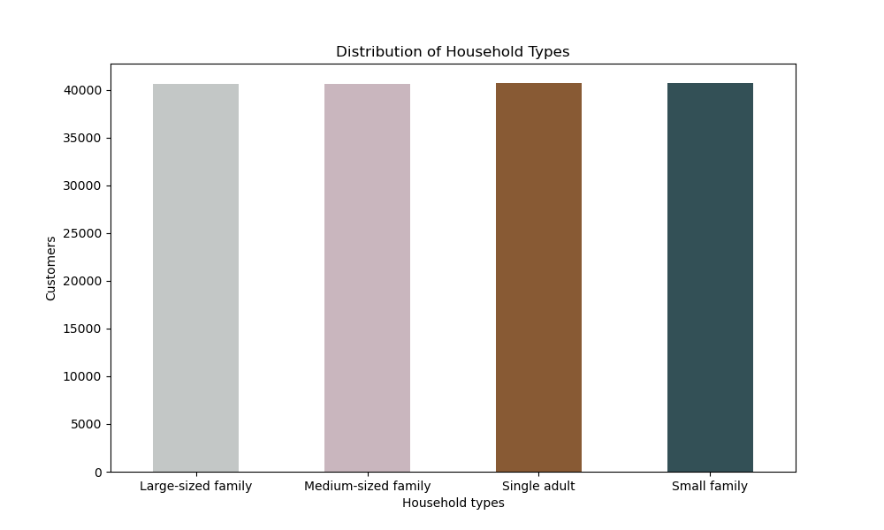

 |  |  |  |  | Comments:
 |  |  |  |  | All the households have approximately the same number of customers. This distribution depends on the way we define household.

Distribution of Income Categories
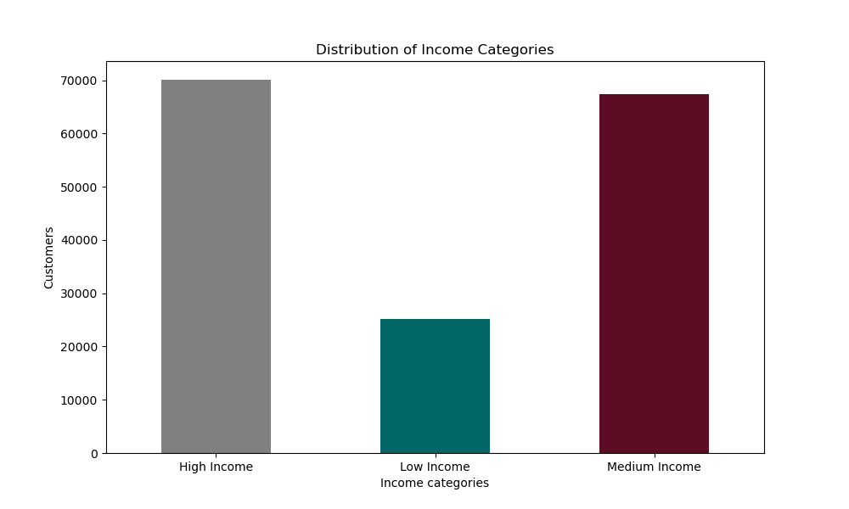

 |  |  |  |  | Comments
 |  |  |  |  | Most of the customers belong to Medium Income group or High Income group.
 |  |  |  |  | The Low Income category had the least number of customers.

Distribution of Prefered Order Hour
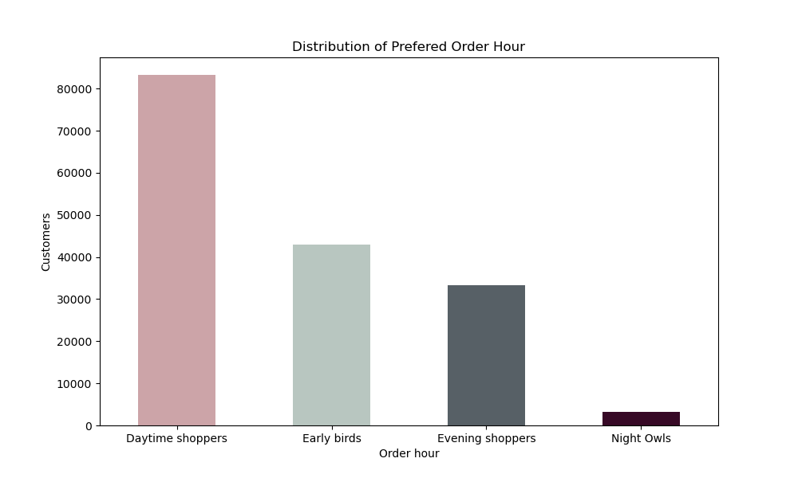

 |  |  |  |  | Comments:
 |  | Comments: |  |  | Most of the customers are daytime shoppers, ordering between 11 AM and 5 PM.
 |  |  |  |  | The least number of shoppers are Night Owls, ordering between 11 PM and 5 AM.

Distribution of Age groups
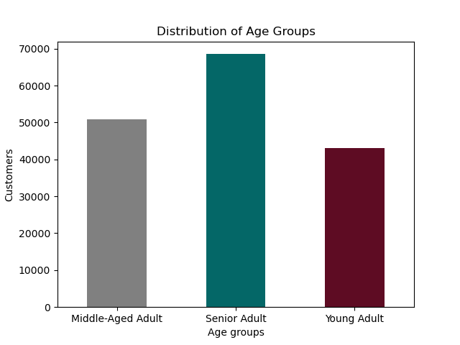

 |  | Comments: | Majority of customers are Senior adults, having age more than 55 years.
 |  |  | The age group with least number of users is Young Adult.

Distribution of Customer Profiles
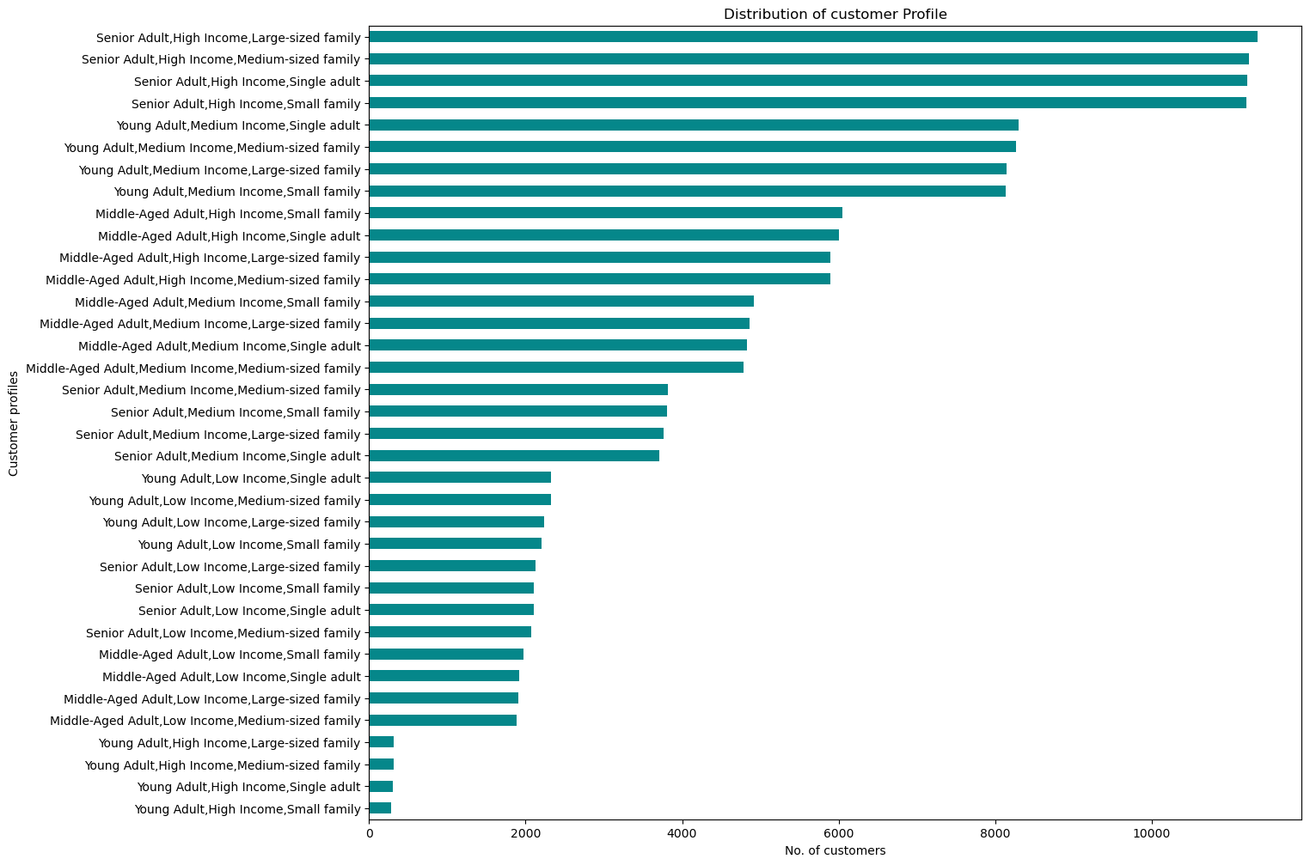

Comments: | When we combine profiles based on age group, household type, and income category, the top 4 groups have high income, and belong to senior adult category with varying household type.
 | The bottom 4 categories have high income, are young adults, and have varying household type.

Income category and regions

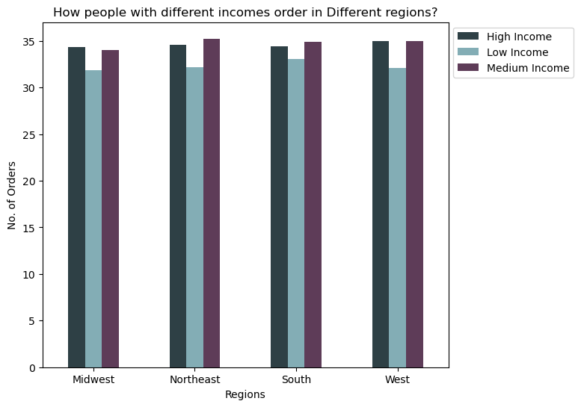
 |  | Comments:
 |  | In all the four regions, on average the number of orders placed per user was greater in High and Medium income groups. Low Income category placed least number of orders per user id in all the four regions. In northeast and south regions, middle income category was placing higher number of orders per user, whereas in Midwest High income category was placing higher number of orders per user. The number are very close though.

Age groups and regions
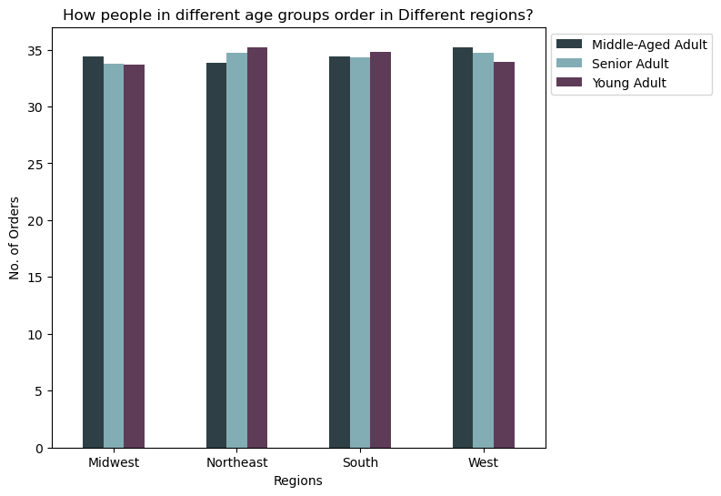

 |  |  | Comments: | In northeast and south regions young adults were placing more orders per user, followed by senior adult and middle aged adult. On contrary, in Midwest and West regions middle aged adult were placing higher orders per user followed by senior adult followed by young adult. However, the numbers are pretty close.

Households and regions

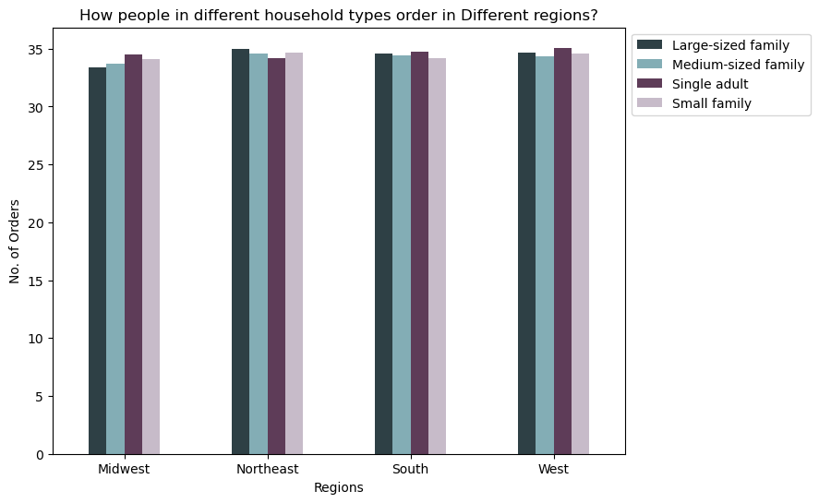
 |  |  | Comments: | When we compare household with regions on the metric number of orders placed per user then, in Midwest, South, and West regions, the metric was higher for single adult. Large sized family place least orders per user in Midwest.However, in Northeast region large-sized family placed more orders per user than any other groups. The numbers are very close.

Ordering behavior and regions

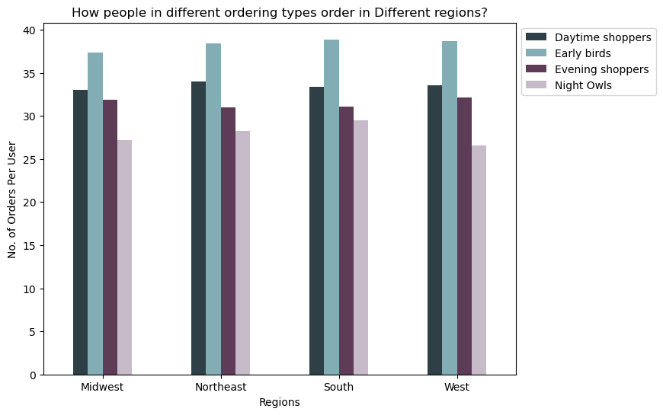
 |  |  | Comments:
 |  |  | We observe that, in all the four regions the behavior of different ordering types was same. Early birds, placed higher orders per user than all the other categories. Those ordering at night placed least number of orders per user in all regions. In this case, the difference between the categories was more noticeable.

 |  |  | This visualization answers the business question: "Are there differences in ordering habits based on a customer’s region?"

Income groups and Departments:
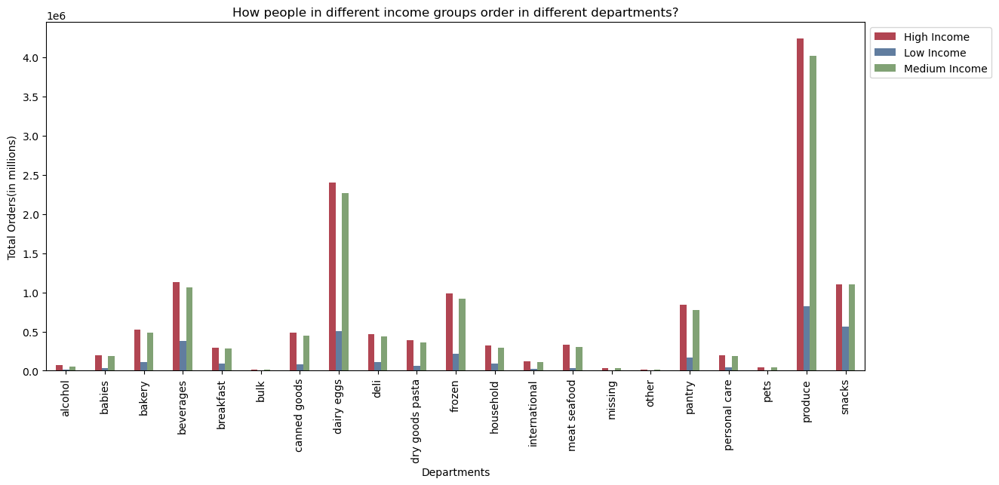
 |  |  |  |  |  | Comments:
 |  |  |  |  |  | Number of orders placed by different income groups reflected the overall trend noticed earlier. High income groups have more orders in all the departments than other income groups.

Age groups and Departments:

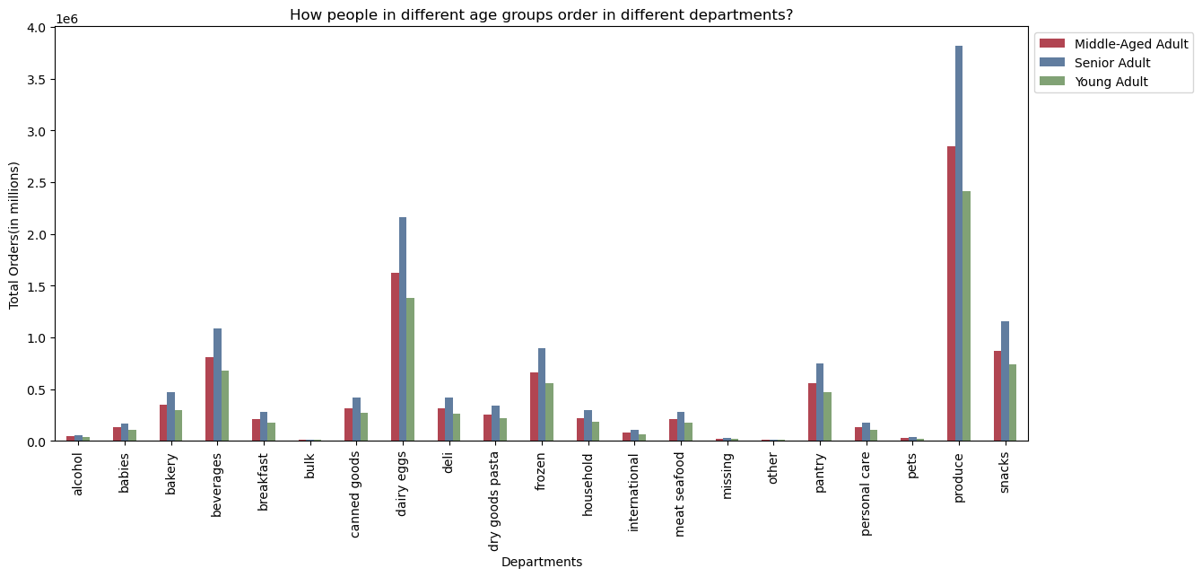
 |  |  |  |  |  | Comments:
 |  |  |  |  |  | Here again the distribution of total orders was same as noticed earlier. In all the departments, most of the orders were placed by senior adults. Young adults placed least number of total orders in all departments.

Household type and Departments

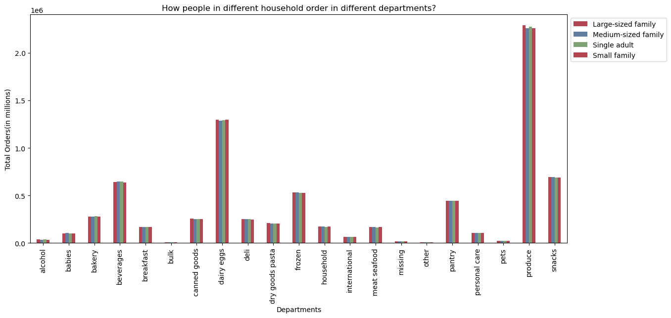
 |  |  |  |  | Comments:
 |  |  |  |  | Here again, the differencee between the household types was negligible.

Ordering behavior and Departments

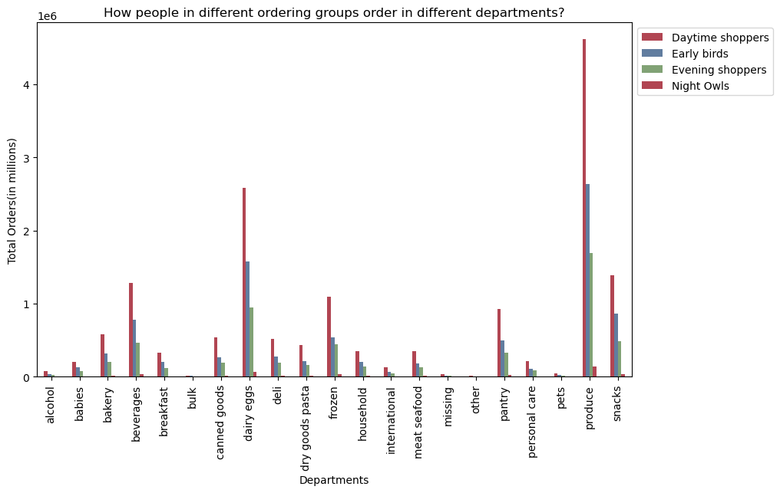
 |  |  |  |  |  | Comments:
 |  |  |  |  |  | Daytime shoppers have maximum orders in all the dpeartments followed by early birds, followed by evening shoppers. Night owls ordered least number of orders.

Brand Loyalty and Ordering Habits
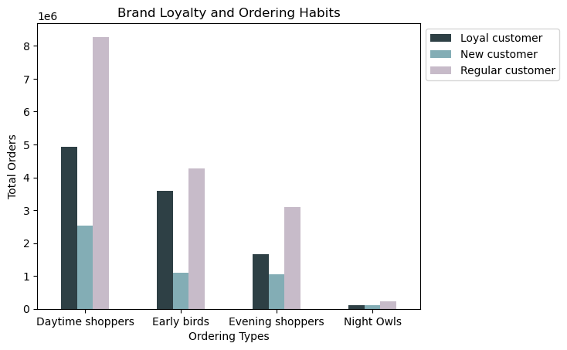

 |  |  |  |  | Comments:
 |  |  |  |  | When we compare brand loyalty and ordering habits, for all the 4 types of customers, regular customer placed most orders, followed by loyal customers followed by new customers. This pattern was consistent with what we have observed earlier. Maximum orders were placed by regular and daytime shoppers. MInimum number of orders were placed by New and Loyal customers who were Night Owls.

 |  |  |  |  | This visualization answers the business question that is, "Are there differences in ordering habits based on a customer’s loyalty status?"

Brand Loyalty and Regions
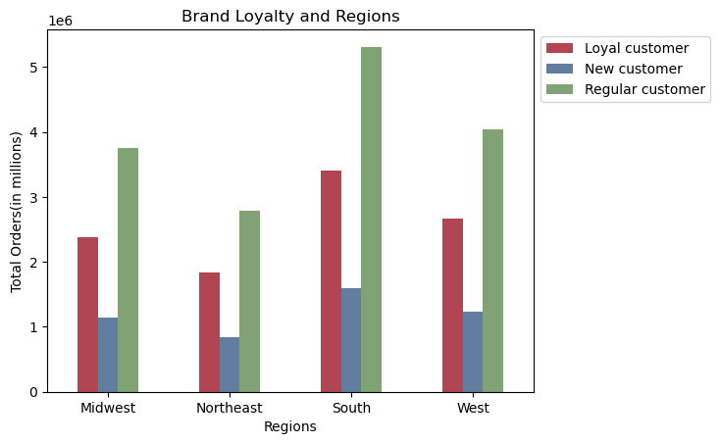

 |  | Comments:
 |  | Maximum orders were placed by regular customers from South region.
 |  | Minimum orders were placed by New customers in Northeast region.
 |  | The distribution of brand loyalty was same in all 4 regions.

7. Recommendations
 |  |  |  |  | Title page

Recommendations

In this tab you should include any recommendations you would made to Instcart in terms of their marketing strategy based on the questions posed in the brief. Every key question has been covered in the Tasks of the Exercises - here you need to add an item - a visualisation or table/crosstable that is showing the answer in the data, acompanied by a comment from you. Please, list the questions below and add the answer underneath.

Question
Key Question 1 | What the busiest days of the week and hours of the day are?

 |  | The busiest day of the week is Saturday and the least busy day of the week is Wednesday. |  | Recommendations:
 |  | The busiest hours of the day are between 10 AM and 3 PM. |  | We can advertise more during the middle of the week, on Wednesday and during night for those who order at night to increase sales.
 |  | The least busy hours are between 12 AM and 3 AM.

Key Question 2 | Are there particular times of the day when people spend the most money?

 |  |  |  | Price paid is highest aroung 3 AM and least ar around 10 AM. However, if we round these numbers we get $8.
 |  |  |  | Recommendation:
 |  |  |  | The prices fluctuate throughout the day, we can advertise more in the early morning.

Key Question 3 | Marketing and sales want to use simpler price range groupings to help direct their efforts.

 |  |  | Most product are priced less than $15. and the prices fluctuates between $1 to $15 and beyond
 |  |  | Recommendation:
 |  |  | We may categorize any product priced more than $15 as high value.
 |  |  | We may categorize products priced less than $5 as low value.
 |  |  | And, we can categorize any product priced between $5 and $15 as Average range products.

Key Question 4 | Are there certain types of products that are more popular than others?
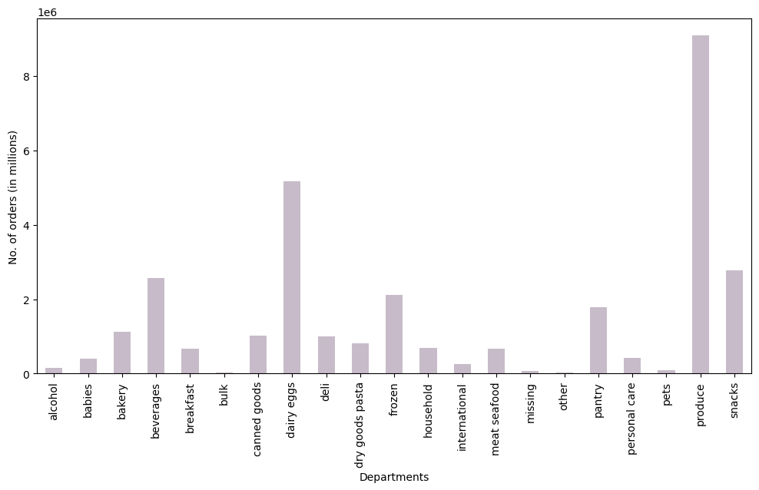

 | The departments with most orders was produce department. This was followed by dairy eggs, snacks, and bevarages.
 | The least popular departments in terms of total orders were bulk, other, missing, pets, and alcohol.
 | Recommendations:
 | We can focus more on departments with lower number of orders by giving special offers and doing targeted advertisements.

Key Question 5 | What’s the distribution among users in regards to their brand loyalty?

 | Most orders are placed by regular customers followed by Loyal customers and New customers.

Key Question 6 | Are there differences in ordering habits based on a customer’s loyalty status?

 | When it comes to ordering habits, customers regardless of their brand loyalty exhibit similar behavior. For all the loyalty status, maximum customers order during daytime.
 | For new custoers, early hours and evening hours have the same distribution.
 | During time the orders are less for all three types of loyalty status.

Key Question 7 | Are there differences in ordering habits based on a customer’s region?

 | Age? Income? Certain types of goods? Family status?

 | On average, the total number of orders placed by a user is maximum for someone who orders in the morning, also known as early birds. This is true for all the regions.

 | Similarly, for all the regions, Night Owls(someone who orders between 11 PM and 5 PM, the average total number of orders is least.

Key Question 8 | What differences can you find in ordering habits of different customer profiles?

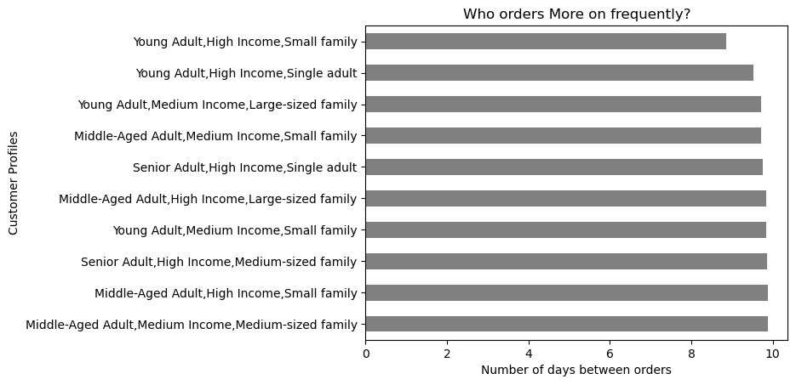

 | If we consider age group, income category, and household type, then most frequent customers are young adults with high income and small family.
 | The next 2 groups are also young adults, but they have high or medium income and are single or live in large sized family.

Key Question 9 | What different classifications does the demographic information suggest? Consider the price of orders, the frequency of orders, the products customers are ordering, and anything else you can think of.

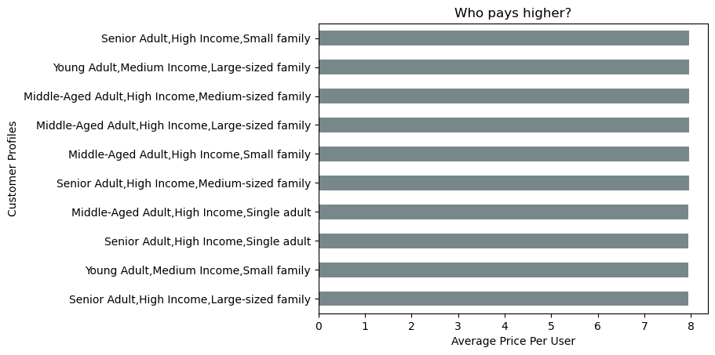

 | These profiles, on average, have higher per user prices. All of them are close to $8.
 | The difference is negligible in this case.

